Sheet1
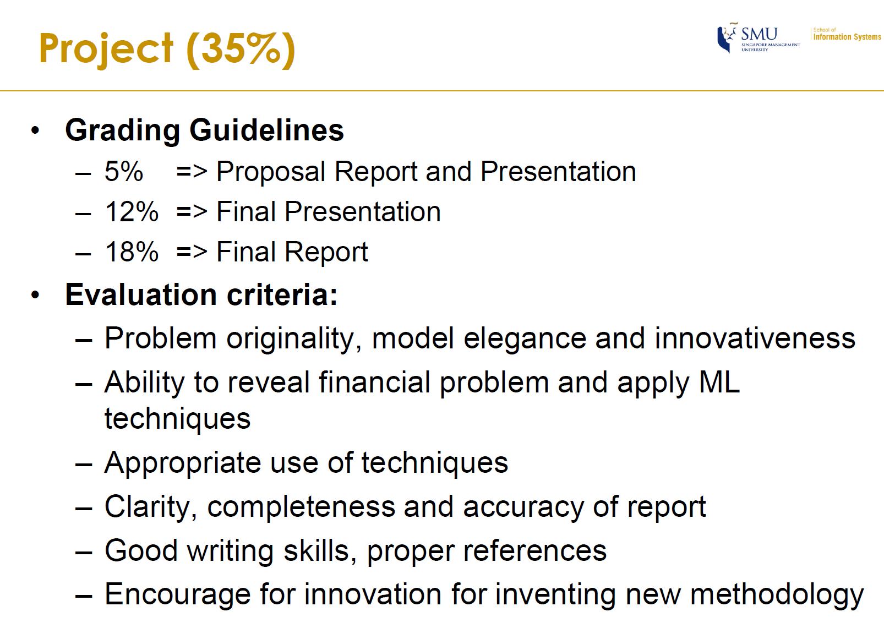
2019-06-07 | 2019-06-08 | 2019-06-09 | 2019-06-10 | 2019-06-11 | 2019-06-12 | 2019-06-13 | 2019-06-14 | 2019-06-15 | 2019-06-16 | 2019-06-17 | 2019-06-18 | 2019-06-19 | 2019-06-20 | 2019-06-21 | 2019-06-22 | 2019-06-23 | 2019-06-24 | 2019-06-25 | 2019-06-26 | 2019-06-27 | 2019-06-28 | 2019-06-29 | 2019-06-30 | 2019-07-01 | 2019-07-02 | 2019-07-03 | 2019-07-04 | 2019-07-05 | 2019-07-06 | 2019-07-07 | 2019-07-08 | 2019-07-09 | 2019-07-10 | 2019-07-11 | 2019-07-12 | 2019-07-13 | 2019-07-14 | 2019-07-15 | 2019-07-16 | 2019-07-17 | 2019-07-18 | 2019-07-19 | 2019-07-20 | 2019-07-21
Friday | Saturday | Sunday | Monday | Tuesday | Wednesday | Thursday | Friday | Saturday | Sunday | Monday | Tuesday | Wednesday | Thursday | Friday | Saturday | Sunday | Monday | Tuesday | Wednesday | Thursday | Friday | Saturday | Sunday | Monday | Tuesday | Wednesday | Thursday | Friday | Saturday | Sunday | Monday | Tuesday | Wednesday | Thursday | Friday | Saturday | Sunday | Monday | Tuesday | Wednesday | Thursday | Friday | Saturday | Sunday
1st meeting |  |  |  | Proposal report and presentation |  | 2nd meeting |  |  |  |  |  |  |  |  |  |  |  |  |  |  |  |  |  |  | Final Presentation |  |  |  |  |  |  |  |  |  |  |  |  |  |  |  |  |  |  | Report DDL

